Other
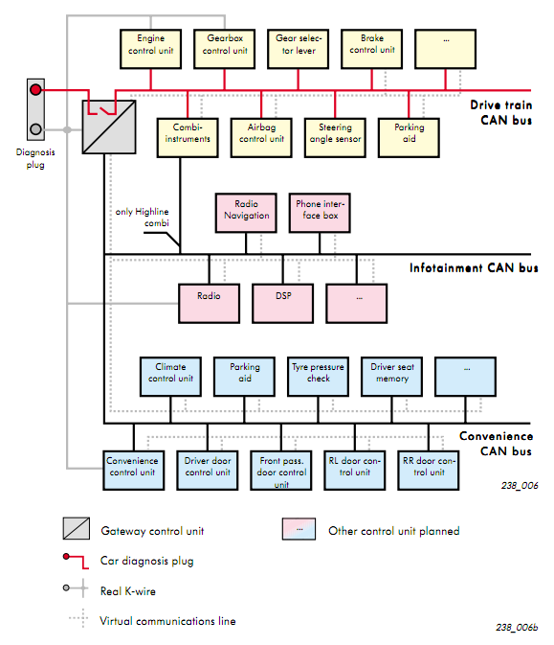
Temp = (byte 6) / 20-40 (Decimal) |  | Hour | Minute
 |  | 3 | e4

 |  |  |  | #ERROR!
 |  |  |  | timeval = (hours>> 4) * 1000 + (hours & 0x0F) * 100 + (minutes>> 4) * 10 + (minutes & 0x0F)
5C1 | 1 | 1 | Change input
5C1 | 1 | 2 | Scan forward
5C1 | 1 | 3 | Scan backward
5C1 | 1 | 6 | Vol up
5C1 | 1 | 7 | Vol down
5C1 | 1 | 0A | Menu
5C1 |  | 1A | Phone
5C1 | 1 | 22 | Arrow up
5C1 | 1 | 23 | Arrow down
5C1 | 1 | 28 | OK
5C1 | 1 | 2B | Mute
5C1 | 1 | 0 | Button
 |  |  | 00 | midnight
 |  |  | 10 | 1 oclock
 |  |  | 50 | 5
 |  |  | 60 | 6
 |  |  | 70 | 7
 |  |  | 80 | 8
 |  |  | 90 | 9

 |  |  | A0 | 10
 |  |  | B0 | 11

http://cs.wikipedia.org/wiki/Volkswagen_Transport_Protocol

0C2 | ESP?
1A0 | ABS?
320
480 fuel? | Fuel level?

65Dh

 | time?
 | 6+7:
 | 6 bit 8 is on and off in seconds
 | Lower 6 bits are always up
 | 7 goes from 00 to 1D (0 .29)

 |  |  |  |  | 1. ASCII char on MFD | 2. ASCII char on MFD | 3. ASCII char on MFD | 4. ASCII char on MFD | 5. ASCII char on MFD | 1. ASCII char on MFD
http://www.volkspage.net/technik/ssp/ssp/SSP_238.pdf

